Risk 1
DRAFT PRE-DECISIONAL
 | RISK ASSESSMENT 1
Step 0: | Identify the SSO-level risk here:
Step 1: | Instructions for Step 1: - Rename this Google Sheet with a nickname for the risk - Assess each category of impact. Note: If you have no risk in an impact category, choose "Very Low = 1." - The final impact score is calculated automatically (squared, average, square root) - Write evidence or provide working links to quantitative or qualitative information that supports the score - Add comments that may be pertinent to explaining the evidence
 | IMPACT ASSESSMENT
 |  | VERY HIGH = 5 | HIGH = 4 | MEDIUM = 3 | LOW = 2 | VERY LOW = 1 | Impact Score | Evidence | Comments
 | Mission Disruption | More than 8 infrastructures (or systems or networks) affected; major disruption to business operations of programs | More than 4, less than 8 infrastructures (or systems or networks) affected; major disruption to the business operations of GSA program(s) | More than 2, less than 4 infrastructures (or systems or networks) affected; moderate disruption to business operations of GSA program(s) | At least 1, no more than 2 infrastructures (or systems or networks) affected; minor disruption to business operations of GSA program(s) | No more than 1 infrastructure (or systems or networks) affected; or minor disruption of business operations to a program
 | Economic Impact | More than $50 million | More than $10 million and less than $50 million | More than $5 million and less than $10 million | More than $1 million and less than $5 million | Less than $1 million
 | External Visibility | Visibility of risk with US Population, including mainstream media coverage and public interactions | Visibility of risk in reports by GAO, IG, CRS, or federal media (i.e., Federal News Radio, etc.) | Visibility of risk with other federal government agency (agencies) or department(s) | Visibility of risk at the Administrator and Deputy Administrator level | Visibility of risk at the SSO level
 |  |  |  |  |  |  | Impact Score | 0.0

Step 2: | Instructions for Step 2: - Provide a score about the likelihood for each impact. - Assess each category of likelihood. Note: If you have no risk in an likelihood category, choose "Very Low = 1." - The final likelihood score is calculated automatically (squared, average, square root) - Write evidence or provide working links to quantitative or qualitative information that supports the score - Add comments that may be pertinent to explaining the evidence
 | LIKELIHOOD ASSESSMENT
 |  | VERY HIGH = 5 | HIGH = 4 | MEDIUM = 3 | LOW = 2 | VERY LOW = 1 | Score | Evidence | Comments
 | Mission Disruption | Very Likely | Somewhat Likely | Uncertain | Not Likely | Very Unlikely
 | Economic Impact | Very Likely | Somewhat Likely | Uncertain | Not Likely | Very Unlikely
 | External Visibility | Very Likely | Somewhat Likely | Uncertain | Not Likely | Very Unlikely
 |  |  |  |  |  |  | Likelihood Score | 0.0

 | RISK SCORE
Step 3 | Instructions for Step 3: - The risk score is calculated automatically. - Include this risk score and corresponding information in the Risk Register. Note: You can copy and paste applicable evidence and comments. - For reference, the heat map below shows how the impact and likelihood were assessed. |  |  |  |  |  | Risk Score | 0.0
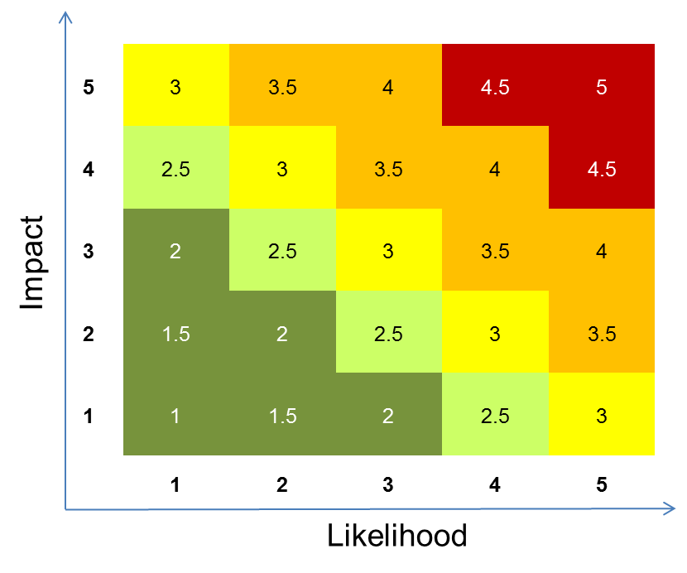

DRAFT PRE-DECISIONAL

